BestModel Results
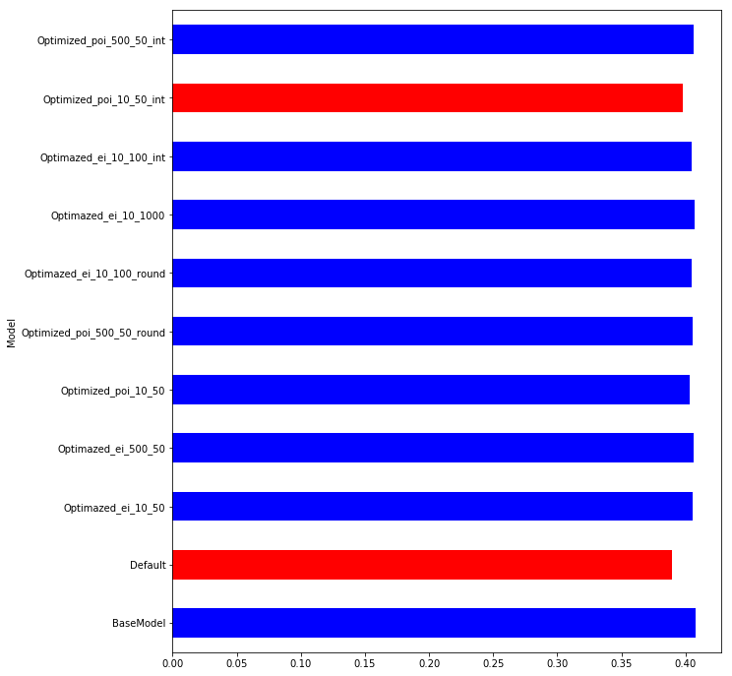
Model | S0.45 | S0.4 | S0.35 | S0.3 | S0.25 | S0.2 | S0.15 | S0.1 | Mean | t-pvalue | t-statistic | Group
BaseModel | 0.401735 | 0.405915 | 0.406574 | 0.406196 | 0.406155 | 0.412034 | 0.409228 | 0.413227 | 0.407633 | 1 | 0 | 1
Default | 0.383882 | 0.38316 | 0.382972 | 0.390872 | 0.382558 | 0.392303 | 0.389827 | 0.40789 | 0.389183 | 0.000065 | 5.608123 | 3
Optimazed_ei_10_50 | 0.397363 | 0.404285 | 0.406054 | 0.405943 | 0.403941 | 0.407626 | 0.405136 | 0.413369 | 0.405465 | 0.306262 | 1.061887 | 1
Optimazed_ei_500_50 | 0.399069 | 0.405136 | 0.407277 | 0.406941 | 0.405695 | 0.40834 | 0.405235 | 0.414259 | 0.406494 | 0.574697 | 0.574573 | 1
Optimized_poi_10_50 | 0.393721 | 0.401377 | 0.404038 | 0.405853 | 0.404649 | 0.408005 | 0.402311 | 0.408013 | 0.403496 | 0.068305 | 1.975171 | 1
Optimized_poi_500_50_round | 0.397337 | 0.404458 | 0.406089 | 0.405751 | 0.401678 | 0.407641 | 0.405512 | 0.415065 | 0.405441 | 0.339543 | 0.9888 | 1
Optimazed_ei_10_100_round | 0.396961 | 0.405119 | 0.406305 | 0.407022 | 0.403569 | 0.40523 | 0.403452 | 0.410196 | 0.404732 | 0.144846 | 1.54417 | 1
Optimazed_ei_10_1000 | 0.399769 | 0.404774 | 0.407775 | 0.407033 | 0.406126 | 0.40983 | 0.407325 | 0.41511 | 0.407218 | 0.840077 | 0.205582 | 1
Optimazed_ei_10_100_int | 0.396683 | 0.405258 | 0.406345 | 0.406462 | 0.403675 | 0.404932 | 0.404276 | 0.410628 | 0.404783 | 0.15665 | 1.49679 | 1
Optimized_poi_10_50_int | 0.391199 | 0.38947 | 0.395082 | 0.398185 | 0.401835 | 0.404841 | 0.398419 | 0.404846 | 0.397985 | 0.001424 | 3.959985 | 3
Optimized_poi_500_50_int | 0.397739 | 0.404705 | 0.406315 | 0.405979 | 0.403507 | 0.407824 | 0.405525 | 0.415952 | 0.405943 | 0.458551 | 0.762267 | 1
Optimized_ei_100_1000_int | 0.398438 | 0.405903 | 0.406898 | 0.406287 | 0.403731 | 0.407397 | 0.405455 | 0.413608 | 0.405965 | 0.413745 | 0.842362 | 1
Optimized_ei_100_1000_round | 0.398212 | 0.40541 | 0.407598 | 0.406253 | 0.403464 | 0.408095 | 0.405924 | 0.413738 | 0.406087 | 0.458766 | 0.761895 | 1
Optimized_ei_10_1000_ps3_best | 0.398695 | 0.405808 | 0.407285 | 0.406781 | 0.404627 | 0.408263 | 0.40597 | 0.414044 | 0.406434 | 0.556945 | 0.601774 | 1
Optimized_ei_10_1000_ps3_scndbest | 0.397529 | 0.405042 | 0.406871 | 0.405555 | 0.403157 | 0.408756 | 0.405914 | 0.416412 | 0.406154 | 0.529079 | 0.64544 | 1
Test1 | 0.401311 | 0.403889 | 0.407038 | 0.407228 | 0.406938 | 0.411292 | 0.407377 | 0.412211 | 0.407161 | 0.798223 | 0.260563 | 1
Test2 | 0.402155 | 0.404157 | 0.406676 | 0.407355 | 0.404982 | 0.411772 | 0.406078 | 0.411854 | 0.406879 | 0.679724 | 0.421592 | 1

Model | S0.45 | S0.4 | S0.35 | S0.3 | S0.25 | S0.2 | S0.15 | S0.1 | Mean | t-pvalue | t-statistic | Group
BaseModel | 0.401735 | 0.405915 | 0.406574 | 0.406196 | 0.406155 | 0.412034 | 0.409228 | 0.413227 | 0.407633 | 1 | 0 | 1
BestModel | 0.402832 | 0.407093 | 0.408072 | 0.408576 | 0.40791 | 0.414221 | 0.408778 | 0.416191 | 0.409209 | 0.060066 | 2.045574 | 1

BestModel Visualization
Model | Comment | Mean | Train and Test Gini with trens | Difference between Train and Test Gini
Default |  | 0.389183 | 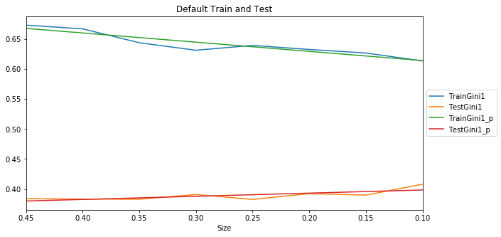 | 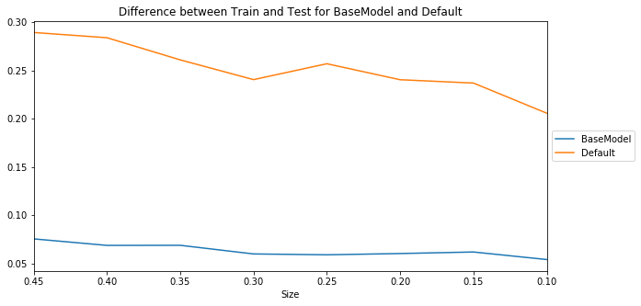

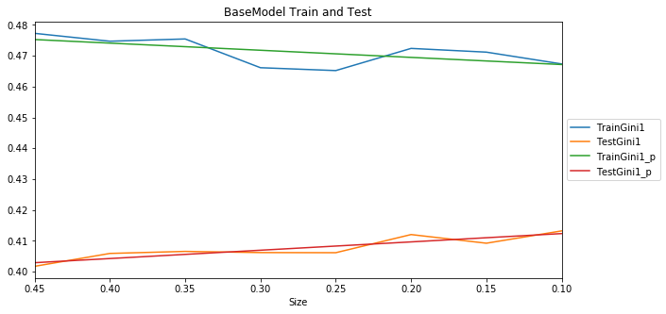
BaseModel |  | 0.407633

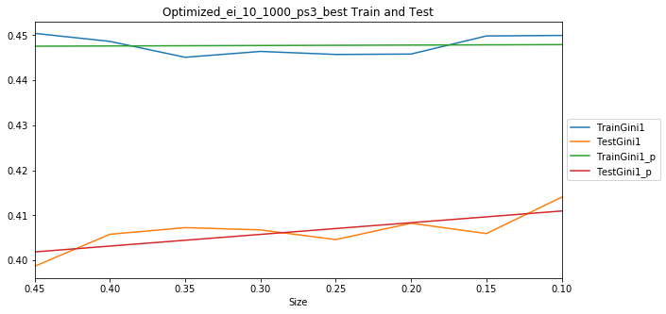
Optimized_ei_10_1000_ps3_best | Gini is slightly less but not statistically significant. Difference betwwen Train and Test better then in BaseModel | 0.406434 |  | 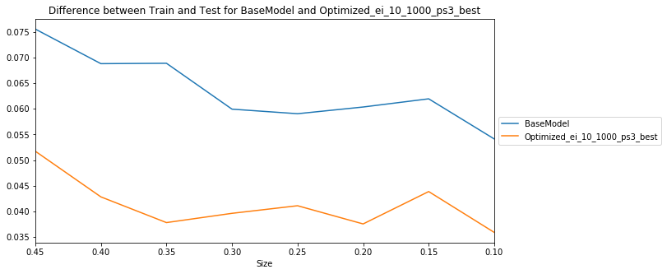

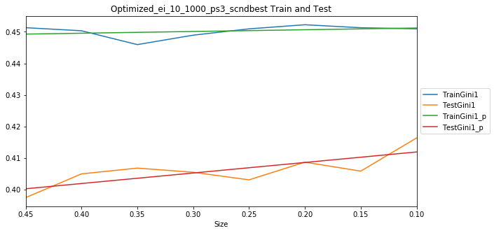
Optimized_ei_10_1000_ps3_scndbest | Gini is the same as in previous model. The difference between Train and Test is slightly more. | 0.406154 |  | 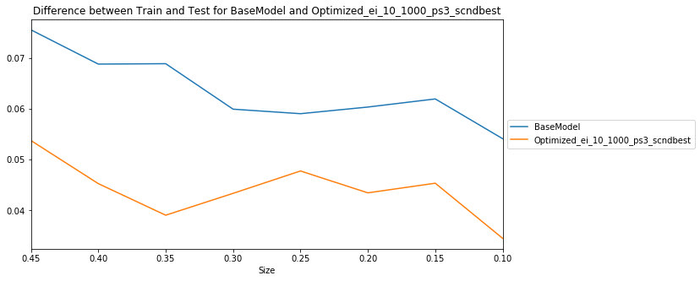

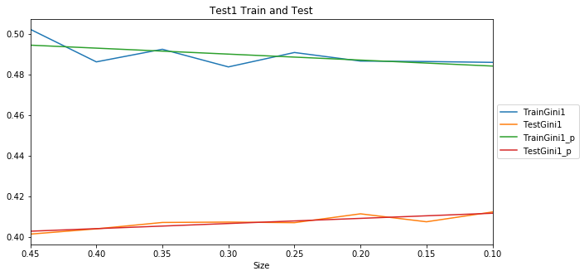
Test1 | This is Optimized_ei_10_1000_ps3_best with default colsample_bylevel, gamma, max_delta_step, min_child_weight, reg_alpha, reg_lambda. Gini is close to BaseModel and higher then in Optimized_ei_10_1000_ps3_best but not statistically significant. However the difference between Train and Test higher. Not overfitting yet but worse. | 0.407161 |  | 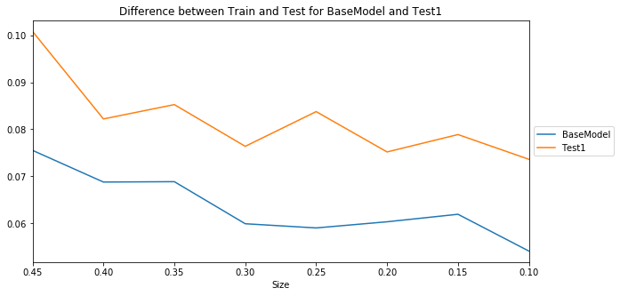

Test2 | This isOptimized_ei_10_1000_ps3_scndbest with default colsample_bylevel, gamma, max_delta_step, min_child_weight, reg_alpha, reg_lambda. Gini is close to BaseModel and less then in Optimized_ei_10_1000_ps3_scndbest but not statistically significant. However the difference between Train and Test higher. Not overfitting yet but worse. | 0.406879 | 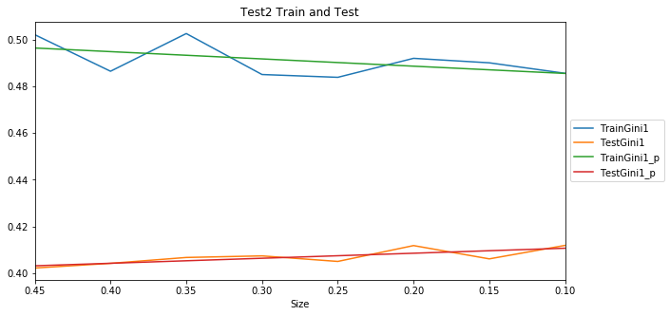 | 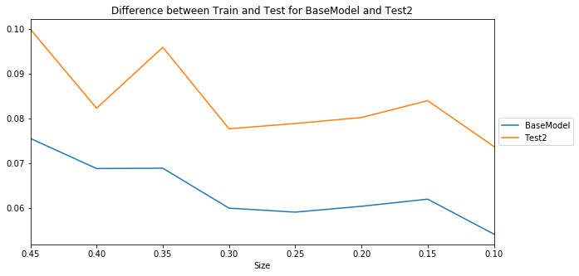

Optimized_ei_100_1000_round | Gini is close to BaseModel but difference between Train and Test larger then in Optimized_ei_10_1000_ps3_best | 0.406087 | 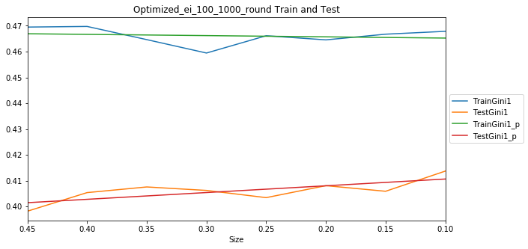 | 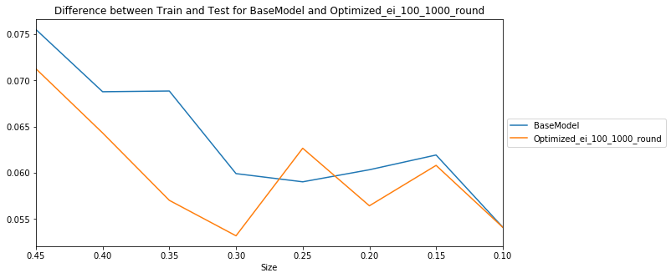

Optimized_ei_100_1000_int | Gini is close to BaseModel but difference between Train and Test larger then in Optimized_ei_10_1000_ps3_best | 0.405965 | 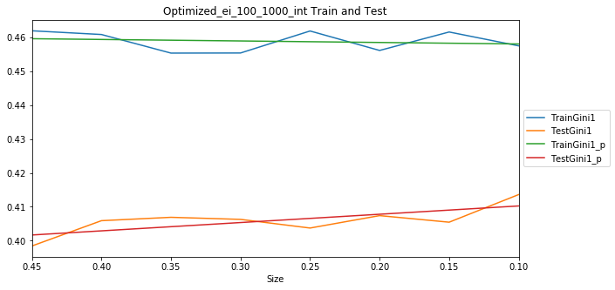 | 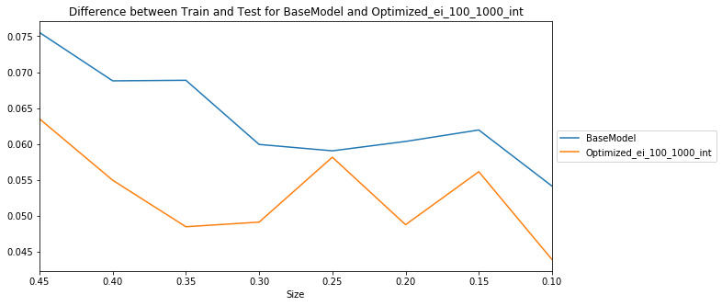

Optimazed_ei_500_50 | I would say this one is the second after Optimized_ei_10_1000_ps3_best because of the larger difference between Train and Test. This is actually a surprise result because CV does not give the same high gini as in Optimized_ei_10_1000_ps3_best. | 0.406494 | 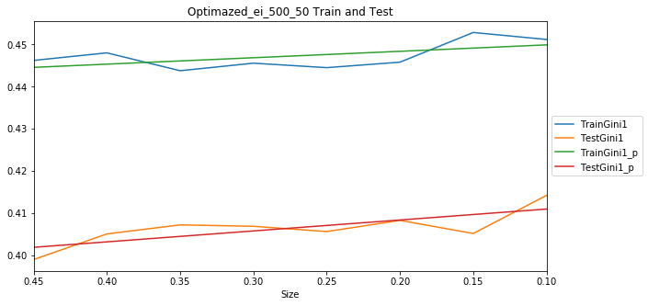 | 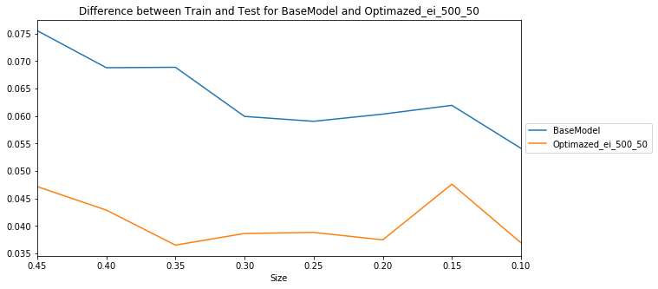

Optimazed_ei_10_1000 | Almost the same as BaseModel. | 0.407218 | 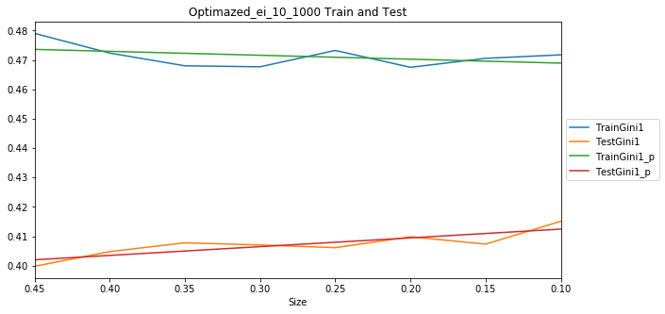 | 